KCCI 소개
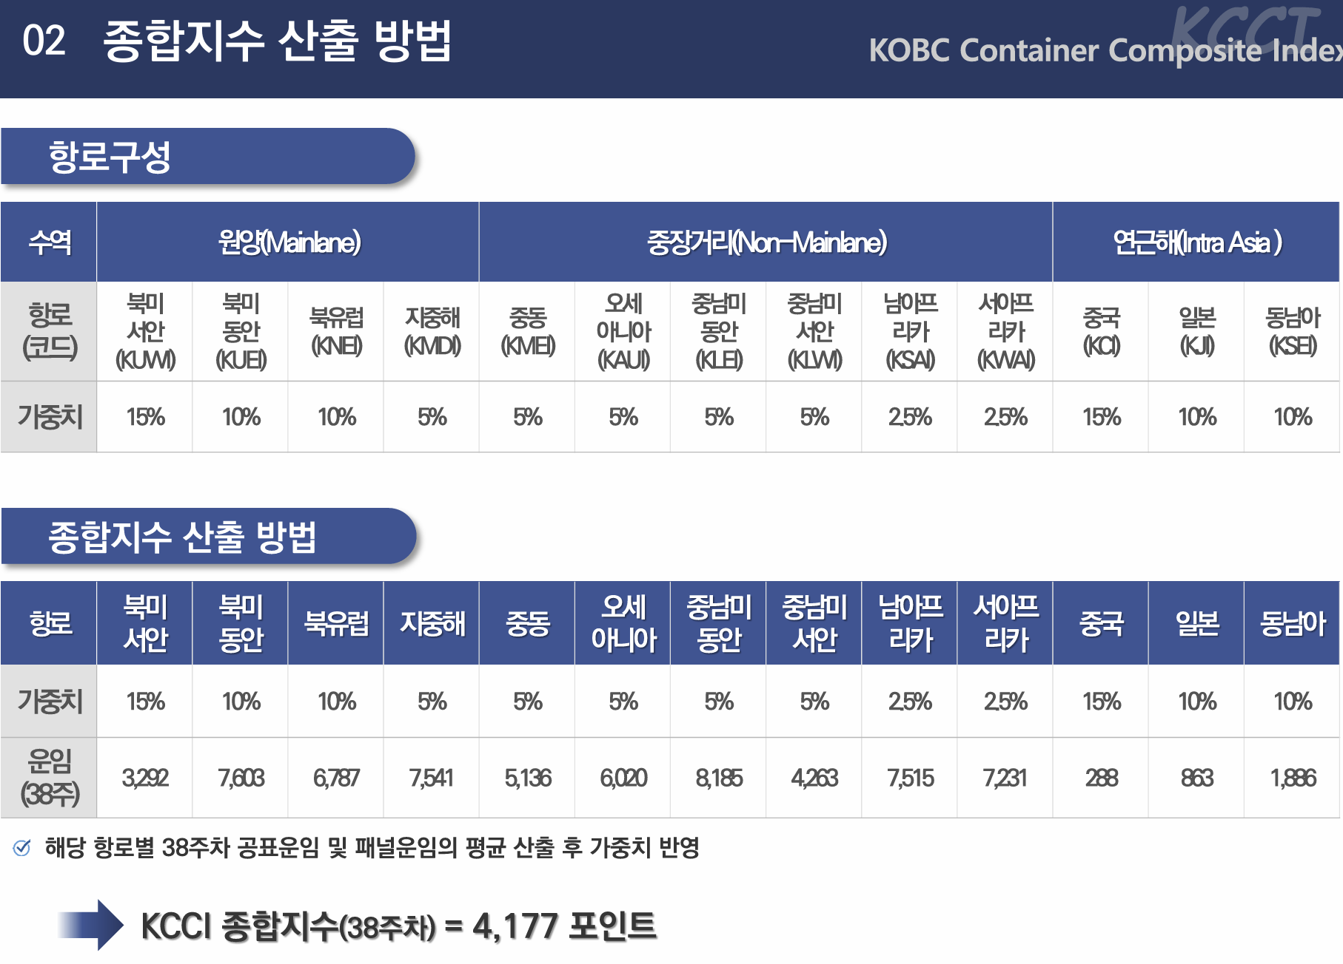
KCCI
1) 기존에 참고할만한 운임지수가 SCFI 밖에 없었기에 한국해양진흥공사에서 2022년 11월부터 새롭게 만든 운임지수
2) SCFI가 중국 상하이항 -> X항로라면, KCCI는 한국 부산항 -> X항로
3) Unit: USD/TEU (USD/FEU is for US West coast and East coast services)

가중치
KCCI는 하기 노선운임을 평균내린 지수라고 볼 수 있음.

